Sheet1
Create a set of 10 test cases to check the correct operation of the password generator. Generator requirements: • The generator must create 10 possible passwords that meet the specified conditions when the “Generate password” button is pressed. • The generated passwords must consist of the selected character groups: Numbers, Uppercase letters, Lowercase letters, Special characters %, *, ),?, @, #, $, ~. • Each password must include at least one character from each selected group. • The length of the generated password must match the number entered in the corresponding text field. Minimum 8 characters. • When the 'Generate password' button is pressed again, new passwords must be generated. • There is no need to additionally check the quality of random value generation. • By default, the following character groups are included in the generators: Numbers, Uppercase letters, Lowercase letters. The length is set to 8 characters.
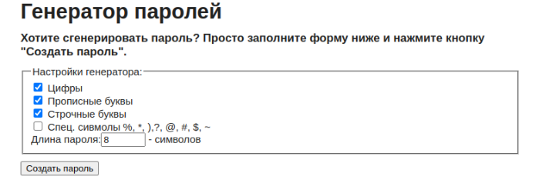
ID | Summary | Steps | Expected results
1 | Generating 10 passwords with only numbers and the minimum allowed length | 1. Select the 'Numbers' checkbox 2. Enter '8' in the password length input field 3. Click 'Generate a password' | All 10 generated passwords are 8 characters long and contain only numbers.
2 | Generating 10 passwords with uppercase letters and special symbols exceeding the maximum allowed length | 1. Select the 'Uppercase' and 'Special symbols' checkboxes 2. Enter '9' in the password length input field 3. Click 'Generate a password' | All 10 generated passwords are 9 characters long and contain only uppercase letters and special symbols (%, , ), ?, @, #, $, ~), with at least one of each.
3 | Generating 10 passwords with all character types selected and minimal length | 1. Select all available checkboxes (Numbers, Uppercase, Lowercase, Special Characters) 2. Enter '8' in the password length input field 3. Click 'Generate a password' | All 10 generated passwords are 8 characters long and contain only numbers, uppercase letters, lowercase letters and special symbols (%, , ), ?, @, #, $, ~), with at least one of each.
4 | Generating 10 new passwords with only numbers and length less than allowed | 1. Select the 'Numbers' checkbox 2. Enter '7' in the password length input field 3. Click 'Generate a password' | An error message appears indicating that the minimum password length is not met. No passwords are generated.
5 | Attempting to generate passwords without selecting any character types. Password length is the minimum allowed | 1. Do not select any checkboxes 2. Enter '8' in the password length input field 3. Click 'Generate a password' | An error message appears which indicating that at least one character type must be selected. No passwords are generated
6 | Attempting to generate passwords without selecting any character types. Password length input is empty | 1. Do not select any checkboxes 2. Clear the password length input field 3. Click 'Generate a password' | An alert messages about the need to choose at least one checkbox and minimal acceptable password length with 8 symbols appear
7 | Generating 10 passwords using all character types with the maximum input length | 1. Select all available checkboxes (Numbers, Uppercase, Lowercase, Special Characters) 2. Fill out the password length input with the maximum number allowed by input 3. Click 'Generate a password' | All newly generated passwords contain special symbols, numbers, uppercase and lowercase letters, and additional symbols. Their lengths match the entered value.
8 | Generating 10 new passwords with only numbers and without integer symbols in the length input | 1. Select all available checkboxes (Numbers, Uppercase, Lowercase, Special Characters) 2. Fill out the password length input with the letters and extension symbols (e.g., Jb#ubfk&) 3. Click 'Generate a password' | The password length field validation clears off all symbols. No passwords are generated.
9 | Generating 10 new passwords with only numbers and with 8 integers and other symbols in the length input | 1. Select all available checkboxes (Numbers, Uppercase, Lowercase, Special Characters) 2. Fill out the password length input with the letters, extension symbols and 8 integers (e.g., 784Gt%79Ff214) 3. Click 'Generate a password' | The password length field validation removes non-integer characters. The new passwords are generated with a length of 8 characters.
10 | Generating a new set of passwords with 8 numeric characters on the second click of 'Generate a password' | 1. Select the 'Numbers' checkbox 2. Enter '8' in the password length input field 3. Click 'Generate a password' 4. Click 'Generate a password' again | All 10 generated passwords are 8 characters long and contain only numbers after the first click on 'Generate a password'. After the second click, a new set of 10 passwords with 8 characters is generated. The new passwords do not match the previous ones.

